Sheet1
FOB Etobicoke,ON.
All pricing in CAD $
Solid colour per case
SIZING S-M-L-XL/ 4-8-8-4 (unless stated otherwise)
T-SHIRT CASE PACK - 72
(all subject to final count at time of sale - subject to prior sale)
individually poly bagged
all with hang tags and upc's
PICTURE | D E S C R I P T I O N | Style Code | Color | s | M | L | XL | TOTAL | PCS/ | NO. OF | TOTAL | OFFER PRICE
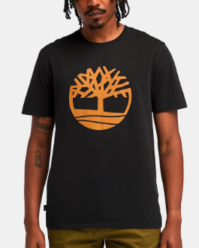
 |  | # |  |  |  |  |  | PCS | BOX | BOXES | BOXES
 | MENS T SHIRTS TIMBERLAND | MTM3JLCP | BLACK | 24 | 48 | 48 | 24 | 144 | 72 | 649-664 | 2
 |  | MTM3JLCP | HGREY | 72 | 144 | 144 | 72 | 432 | 72 | 665-680 | 6
 | 48 PC SOLID COLOR ASST SIZE TO | MTM3JLCP | WHITE | 120 | 240 | 240 | 120 | 720 | 72 | 681-693 | 10
 | EXPORT CARTON | MTM3JLCP | GOLD BROWN | 132 | 264 | 264 | 132 | 792 | 72 | 694-707 | 11

 |  |  |  |  |  |  |  |  |  |  |  |  | TIMBERLAND
 |  |  |  | 348 | 696 | 696 | 348 | 2,088 |  |  | 29 | $11.00 | $30.00
